Step 1.8
Frequency | vm(vout) | ph(v(vout))
Hz | Volts | deg
1 | 0.14994232415 | -0.030673146749 | Sample screenshot for the settings
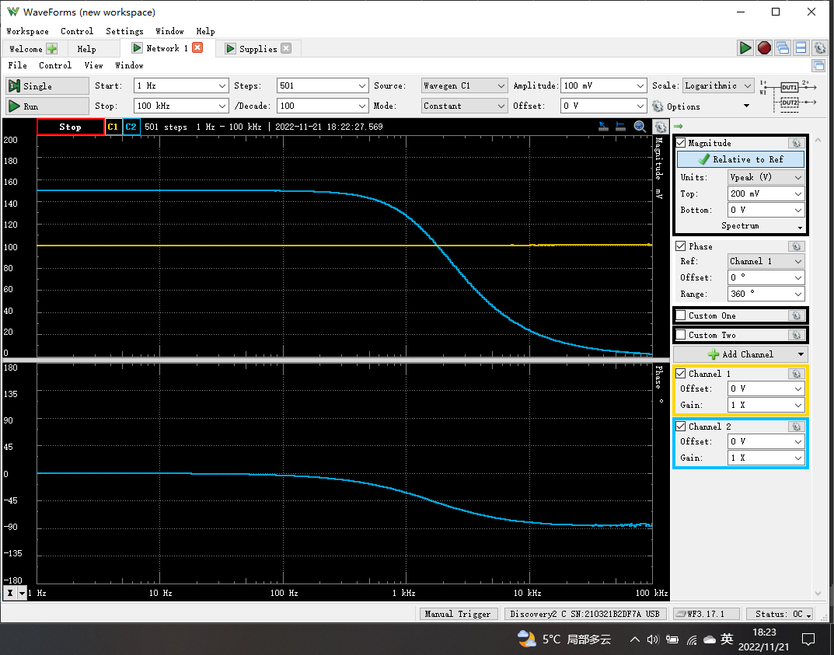
1.0232929923 | 0.14997483615 | -0.046057460323
1.0471285481 | 0.14998240694 | -0.045948607685
1.0715193052 | 0.14996269349 | -0.044084306841
1.0964781961 | 0.14995888664 | -0.034946466829
1.1220184543 | 0.14995922921 | -0.049013269692
1.1481536215 | 0.14997865671 | -0.049357621018
1.1748975549 | 0.14995515393 | -0.052613987876
1.2022644346 | 0.14995993457 | -0.034985461786
1.2302687708 | 0.1499524488 | -0.038502776695
1.2589254118 | 0.14995322726 | -0.033385659979
1.2882495517 | 0.14995142758 | -0.049870285351
1.3182567386 | 0.14995490074 | -0.045210592102
1.3489628826 | 0.14995157703 | -0.040252999378
1.3803842646 | 0.14993437247 | -0.047638049847
1.4125375446 | 0.14997434357 | -0.051192330591
1.4454397707 | 0.1499680724 | -0.054007078659
1.4791083882 | 0.14997276478 | -0.049172074611
1.5135612484 | 0.14994881222 | -0.05121150625
1.5488166189 | 0.14994099887 | -0.057741002028
1.5848931925 | 0.14995137747 | -0.056440599865
1.6218100974 | 0.14996434599 | -0.064900112993
1.6595869074 | 0.14997405637 | -0.069128417521
1.6982436525 | 0.14995881707 | -0.065348655981
1.7378008287 | 0.14995251568 | -0.065663788297
1.77827941 | 0.14995984521 | -0.062007629636
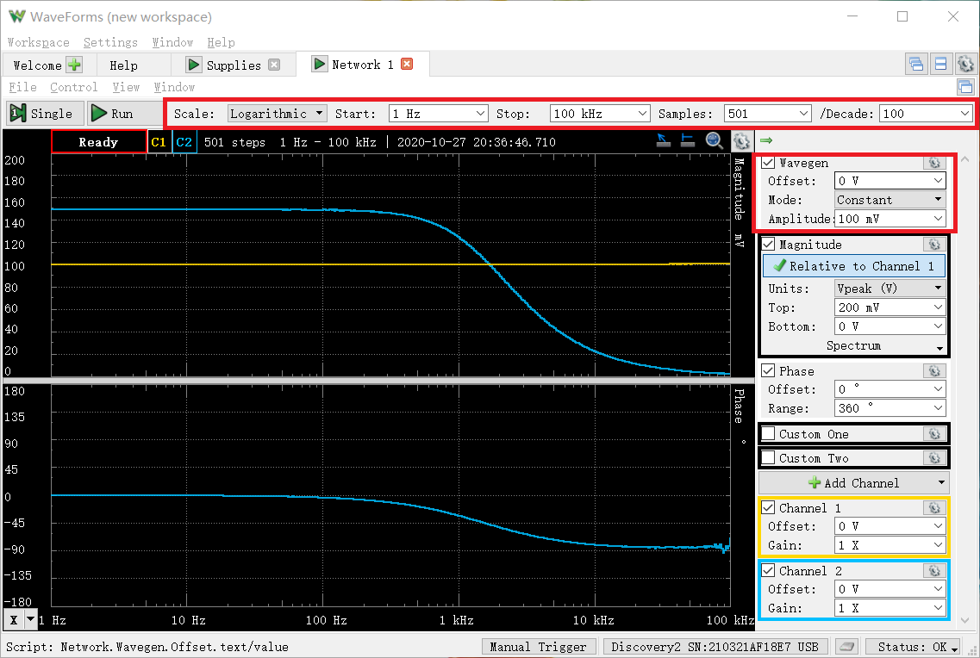
1.8197008586 | 0.14995193413 | -0.074139293871
1.8620871367 | 0.14995215062 | -0.066360804658
1.905460718 | 0.14992874576 | -0.066625388773
1.9498445998 | 0.14994750862 | -0.070204355779
1.995262315 | 0.14993542134 | -0.063048859688
2.0417379447 | 0.14992953268 | -0.070732532653
2.0892961309 | 0.14993677176 | -0.06753666996
2.1379620895 | 0.14994888604 | -0.07894011275
2.1877616239 | 0.14993650658 | -0.076368576734
2.2387211386 | 0.14993408075 | -0.067373159964
2.2908676528 | 0.14996990697 | -0.077448481558
2.3442288153 | 0.14993662229 | -0.091327269671
2.398832919 | 0.14995349945 | -0.089763289017
2.4547089157 | 0.14997245193 | -0.091019134501
2.5118864315 | 0.14993601623 | -0.077530805286
2.5703957828 | 0.14997201773 | -0.08522747427
2.6302679919 | 0.14997265367 | -0.081136450598
2.6915348039 | 0.14994300828 | -0.091399262468
2.7542287033 | 0.14997529316 | -0.10272770927
2.8183829313 | 0.14993289879 | -0.097576574762
2.8840315031 | 0.14992933337 | -0.11209454597
2.9512092267 | 0.14995787925 | -0.093911482779
3.0199517204 | 0.14996937149 | -0.12107721944
3.0902954325 | 0.14995142499 | -0.11374061014
3.1622776602 | 0.14993401365 | -0.11754303626
3.2359365693 | 0.14994688887 | -0.11515762539
3.3113112148 | 0.14999024568 | -0.11679836709
3.3884415614 | 0.14993693541 | -0.10601706047
3.4673685045 | 0.14994063329 | -0.13080658764
3.5481338923 | 0.14990068265 | -0.12643870838
3.6307805477 | 0.14994188685 | -0.12897617641
3.715352291 | 0.14992418642 | -0.13269383945
3.8018939632 | 0.1499449543 | -0.12544827508
3.8904514499 | 0.14994449785 | -0.14934386219
3.9810717055 | 0.14997195128 | -0.15102007472
4.073802778 | 0.14994396332 | -0.14420982806
4.1686938347 | 0.14995175552 | -0.14966699912
4.265795188 | 0.14991041327 | -0.15604527548
4.3651583224 | 0.14990946118 | -0.15098084608
4.4668359215 | 0.14993618854 | -0.16265275384
4.5708818961 | 0.14993024857 | -0.15938443559
4.6773514129 | 0.14996993598 | -0.15821081909
4.7863009232 | 0.14994205237 | -0.16724746194
4.8977881937 | 0.14998181771 | -0.18510148045
5.0118723363 | 0.14992563147 | -0.17735973679
5.1286138399 | 0.14996349122 | -0.1907648217
5.2480746025 | 0.1499769403 | -0.18181168261
5.3703179637 | 0.14998115761 | -0.199463602
5.4954087386 | 0.14993464719 | -0.19903279233
5.6234132519 | 0.14995408842 | -0.20219066509
5.7543993734 | 0.14997007176 | -0.20626349978
5.8884365536 | 0.14996196062 | -0.21499042705
6.0255958607 | 0.14997438039 | -0.1977722857
6.1659500186 | 0.14994761662 | -0.2288904362
6.3095734448 | 0.149942336 | -0.2294083977
6.4565422903 | 0.14995475107 | -0.23579400802
6.6069344801 | 0.14993155469 | -0.23741353017
6.7608297539 | 0.14997723086 | -0.24520399952
6.9183097092 | 0.14995422667 | -0.24981809713
7.0794578438 | 0.149950759 | -0.25858572977
7.2443596007 | 0.1499375444 | -0.25828623699
7.413102413 | 0.14993819716 | -0.26622511715
7.5857757503 | 0.14994415974 | -0.26502799445
7.7624711663 | 0.1499233264 | -0.27095612391
7.9432823472 | 0.14997986015 | -0.29107102886
8.1283051616 | 0.14993187524 | -0.2926315624
8.317637711 | 0.14996166869 | -0.2997388338
8.511380382 | 0.14994145884 | -0.29992486072
8.7096358996 | 0.14998543039 | -0.31428476836
8.9125093813 | 0.1499665257 | -0.32732105907
9.1201083936 | 0.14995200144 | -0.31854380005
9.332543008 | 0.14996397634 | -0.32663890309
9.5499258602 | 0.14994193354 | -0.34888688985
9.7723722096 | 0.14996577613 | -0.34939330933
10 | 0.14995807214 | -0.35739745632
10.232929923 | 0.14994372139 | -0.35205118667
10.471285481 | 0.14995792801 | -0.38111099765
10.715193052 | 0.14992873129 | -0.37884589615
10.964781961 | 0.14996944129 | -0.38926814749
11.220184543 | 0.14991701904 | -0.40577048736
11.481536215 | 0.14992588207 | -0.3994208424
11.748975549 | 0.14995324205 | -0.42081984892
12.022644346 | 0.14998275065 | -0.44875715691
12.302687708 | 0.14993281176 | -0.43709451013
12.589254118 | 0.14994154737 | -0.46412210042
12.882495517 | 0.14992607048 | -0.46243848375
13.182567386 | 0.14998380789 | -0.48515830588
13.489628826 | 0.14996404542 | -0.47414691083
13.803842646 | 0.14994163322 | -0.4917849096
14.125375446 | 0.14996727819 | -0.50314725213
14.454397707 | 0.14995140613 | -0.52267506411
14.791083882 | 0.14992438016 | -0.52901085962
15.135612484 | 0.14998239404 | -0.53880280538
15.488166189 | 0.14997885573 | -0.54931867387
15.848931925 | 0.14991761839 | -0.57666820943
16.218100974 | 0.1499480757 | -0.57908402675
16.595869074 | 0.14992174719 | -0.61219143661
16.982436525 | 0.14994888005 | -0.62493048698
17.378008287 | 0.14997707584 | -0.62425952518
17.7827941 | 0.14999559666 | -0.62563984088
18.197008586 | 0.14997343938 | -0.63912055079
18.620871367 | 0.14993050992 | -0.65335875585
19.05460718 | 0.14991960684 | -0.67962432127
19.498445998 | 0.14993474125 | -0.69717186736
19.95262315 | 0.14990828785 | -0.72134820473
20.417379447 | 0.14994920417 | -0.72808451396
20.892961309 | 0.14996709897 | -0.74046603017
21.379620895 | 0.14991846601 | -0.76100211851
21.877616239 | 0.14994985219 | -0.77351620869
22.387211386 | 0.14989214838 | -0.79973173611
22.908676528 | 0.14991135355 | -0.82892491098
23.442288153 | 0.14991362224 | -0.83304365218
23.98832919 | 0.14993032138 | -0.85964024322
24.547089157 | 0.14991167226 | -0.87102775209
25.118864315 | 0.14994431975 | -0.90047691264
25.703957828 | 0.14993044231 | -0.91554475576
26.302679919 | 0.1499666145 | -0.93593620484
26.915348039 | 0.14993648411 | -0.95528988424
27.542287033 | 0.14993948111 | -0.99559792875
28.183829313 | 0.1498994586 | -1.0231093073
28.840315031 | 0.14990003955 | -1.0289598182
29.512092267 | 0.14988871324 | -1.0433363614
30.199517204 | 0.14995001378 | -1.0798284048
30.902954325 | 0.14988729627 | -1.0928167737
31.622776602 | 0.14991375352 | -1.1349626341
32.359365693 | 0.14988009859 | -1.1586861749
33.113112148 | 0.14993088968 | -1.1821651673
33.884415614 | 0.14992925747 | -1.2170995233
34.673685045 | 0.14992187937 | -1.2396146125
35.481338923 | 0.149940659 | -1.2640145728
36.307805477 | 0.14990849135 | -1.2894873307
37.15352291 | 0.1499150065 | -1.316238834
38.018939632 | 0.14988628318 | -1.3577019199
38.904514499 | 0.14987158129 | -1.3842499658
39.810717055 | 0.14992488088 | -1.418324965
40.73802778 | 0.1498709179 | -1.4471140006
41.686938347 | 0.14986812638 | -1.4857930947
42.65795188 | 0.14985901559 | -1.522447139
43.651583224 | 0.14988730568 | -1.5601081127
44.668359215 | 0.14988351879 | -1.5962790004
45.708818961 | 0.14992237678 | -1.6374648232
46.773514129 | 0.14988549104 | -1.6696150856
47.863009232 | 0.14985666876 | -1.708432935
48.977881937 | 0.14984215537 | -1.7523476125
50.118723363 | 0.14986765372 | -1.7929904779
51.286138399 | 0.14988256054 | -1.8225633385
52.480746025 | 0.14983265057 | -1.8714641089
53.703179637 | 0.14984751512 | -1.9194748467
54.954087386 | 0.14984347725 | -1.9663941701
56.234132519 | 0.14984907908 | -1.9865773232
57.543993734 | 0.14983385848 | -2.0371203099
58.884365536 | 0.14982919813 | -2.096845918
60.255958607 | 0.14982381205 | -2.1450406897
61.659500186 | 0.14981467508 | -2.1920353275
63.095734448 | 0.14975620854 | -2.2419987067
64.565422903 | 0.14984146631 | -2.3145421809
66.069344801 | 0.14978570158 | -2.3556361894
67.608297539 | 0.1497759536 | -2.3991895594
69.183097092 | 0.14977262866 | -2.4627335962
70.794578438 | 0.14983096588 | -2.5215556287
72.443596007 | 0.14978560738 | -2.5803741118
74.13102413 | 0.14978169664 | -2.6480232102
75.857757503 | 0.14974610467 | -2.6958341419
77.624711663 | 0.14978032637 | -2.7777676975
79.432823472 | 0.14974751712 | -2.8122861955
81.283051616 | 0.14974024894 | -2.8664095275
83.17637711 | 0.14972437348 | -2.9522907919
85.11380382 | 0.14973004676 | -3.0187179237
87.096358996 | 0.14964068368 | -3.1171884893
89.125093813 | 0.1496885505 | -3.1670381787
91.201083936 | 0.14968232596 | -3.258387095
93.32543008 | 0.14965556085 | -3.3080982445
95.499258602 | 0.14964276761 | -3.4026000277
97.723722096 | 0.14965025235 | -3.4702739392
100 | 0.1496301353 | -3.5696317737
102.32929923 | 0.14961614509 | -3.6332138329
104.71285481 | 0.14960577683 | -3.7176708974
107.15193052 | 0.14952337447 | -3.8327178584
109.64781961 | 0.14956740052 | -3.9025921647
112.20184543 | 0.14957540196 | -3.9937326522
114.81536215 | 0.149513137 | -4.0651394247
117.48975549 | 0.14952337378 | -4.1859788857
120.22644346 | 0.14941142084 | -4.2758016621
123.02687708 | 0.14946514044 | -4.3894148578
125.89254118 | 0.14944646608 | -4.4690290135
128.82495517 | 0.1494332277 | -4.597569513
131.82567386 | 0.14939192064 | -4.6906045052
134.89628826 | 0.14933231834 | -4.7600551153
138.03842646 | 0.14935593153 | -4.9083796718
141.25375446 | 0.14931479237 | -4.9806297634
144.54397707 | 0.14929061844 | -5.1220235114
147.91083882 | 0.14923512429 | -5.2585951527
151.35612484 | 0.1492506088 | -5.3716841186
154.88166189 | 0.14921393639 | -5.488234969
158.48931925 | 0.14915500041 | -5.6096527469
162.18100974 | 0.14911616771 | -5.7449775853
165.95869074 | 0.14912170863 | -5.8962060582
169.82436525 | 0.14905540011 | -6.0200294095
173.78008287 | 0.14902883662 | -6.1644660325
177.827941 | 0.14901400851 | -6.3026660501
181.97008586 | 0.14892158805 | -6.4338285218
186.20871367 | 0.14890636463 | -6.5862049935
190.5460718 | 0.14885086534 | -6.7554517257
194.98445998 | 0.14885616402 | -6.8733766298
199.5262315 | 0.14873408945 | -7.0665874352
204.17379447 | 0.1487112366 | -7.2225297975
208.92961309 | 0.14860949693 | -7.3881373909
213.79620895 | 0.14858003967 | -7.5586619745
218.77616239 | 0.1485276908 | -7.7294402267
223.87211386 | 0.14843951737 | -7.9104440834
229.08676528 | 0.14838985081 | -8.0887875811
234.42288153 | 0.1483133419 | -8.2720425678
239.8832919 | 0.14836938842 | -8.4223309744
245.47089157 | 0.1481441157 | -8.6560808689
251.18864315 | 0.14804839722 | -8.8538684565
257.03957828 | 0.14786174473 | -9.014970347
263.02679919 | 0.14788772988 | -9.2628045808
269.15348039 | 0.14771996626 | -9.5160755081
275.42287033 | 0.14773921266 | -9.6858599192
281.83829313 | 0.14760279075 | -9.9046652696
288.40315031 | 0.14749981534 | -10.128107089
295.12092267 | 0.14741464357 | -10.373645055
301.99517204 | 0.14726084363 | -10.592915173
309.02954325 | 0.14715825312 | -10.842735674
316.22776602 | 0.14706805482 | -11.090438738
323.59365693 | 0.14691140807 | -11.337449682
331.13112148 | 0.14677643174 | -11.594804311
338.84415614 | 0.14668405522 | -11.860421531
346.73685045 | 0.14648408369 | -12.136461133
354.81338923 | 0.14629109301 | -12.387165987
363.07805477 | 0.14618467906 | -12.674406247
371.5352291 | 0.14605907712 | -12.959037348
380.18939632 | 0.14581087359 | -13.263812264
389.04514499 | 0.14561033612 | -13.553632021
398.10717055 | 0.14545824027 | -13.851769608
407.3802778 | 0.14523341968 | -14.149084748
416.86938347 | 0.1452524198 | -14.403192951
426.5795188 | 0.14490248113 | -14.781680051
436.51583224 | 0.14459400801 | -15.11483729
446.68359215 | 0.14431966649 | -15.456528519
457.08818961 | 0.14412076028 | -15.79374802
467.73514129 | 0.1438290692 | -16.14198057
478.63009232 | 0.14336556025 | -16.476617748
489.77881937 | 0.14335360151 | -16.85092965
501.18723363 | 0.14308503886 | -17.217015443
512.86138399 | 0.14280182875 | -17.636696884
524.80746025 | 0.14244369684 | -18.005006805
537.03179637 | 0.14212530097 | -18.372168155
549.54087386 | 0.14177901409 | -18.772739432
562.34132519 | 0.14131333442 | -19.250232362
575.43993734 | 0.14106921949 | -19.602184546
588.84365536 | 0.14074802579 | -20.025887549
602.55958607 | 0.14037511342 | -20.440347758
616.59500186 | 0.13992670164 | -20.859783556
630.95734448 | 0.13950036882 | -21.310370369
645.65422903 | 0.13907095652 | -21.766690042
660.69344801 | 0.13860026296 | -22.209124975
676.08297539 | 0.13813507015 | -22.691701954
691.83097092 | 0.13768243023 | -23.145619608
707.94578438 | 0.13714501485 | -23.609554594
724.43596007 | 0.13657526662 | -24.090076037
741.3102413 | 0.13608902131 | -24.607439621
758.57757503 | 0.1355721356 | -25.121716894
776.24711663 | 0.13493189282 | -25.64070293
794.32823472 | 0.13436302184 | -26.114585726
812.83051616 | 0.13369900346 | -26.654245093
831.7637711 | 0.13311014823 | -27.178187068
851.1380382 | 0.13249436327 | -27.712089908
870.96358996 | 0.13177344655 | -28.245294437
891.25093813 | 0.13107465471 | -28.73694669
912.01083936 | 0.13031011593 | -29.372348149
933.2543008 | 0.12961169475 | -29.93344225
954.99258602 | 0.12882973686 | -30.506071697
977.23722096 | 0.12809048334 | -31.112547406
1000 | 0.1272828667 | -31.674563568
1023.2929923 | 0.12642590784 | -32.241125375
1047.1285481 | 0.12565569541 | -32.844882201
1071.5193052 | 0.12471592174 | -33.428100364
1096.4781961 | 0.12383626137 | -34.063893217
1122.0184543 | 0.12295075287 | -34.65572531
1148.1536215 | 0.1220571166 | -35.263470641
1174.8975549 | 0.12107144248 | -35.905188416
1202.2644346 | 0.12009776034 | -36.52025252
1230.2687708 | 0.11910793033 | -37.153855177
1258.9254118 | 0.1181165856 | -37.784415478
1288.2495517 | 0.1170951988 | -38.413701281
1318.2567386 | 0.1160270982 | -39.047832351
1348.9628826 | 0.11499515328 | -39.689661002
1380.3842646 | 0.11380554391 | -40.332270943
1412.5375446 | 0.11272377433 | -40.970390919
1445.4397707 | 0.11159762412 | -41.644055892
1479.1083882 | 0.11041052388 | -42.270267209
1513.5612484 | 0.10927309063 | -42.937382337
1548.8166189 | 0.10806659764 | -43.592722792
1584.8931925 | 0.10687440967 | -44.21740573
1621.8100974 | 0.10566794967 | -44.889715759
1659.5869074 | 0.10444961618 | -45.53730947
1698.2436525 | 0.10320762566 | -46.192453512
1737.8008287 | 0.10171080836 | -46.939274317
1778.27941 | 0.10069496178 | -47.479301568
1819.7008586 | 0.099506206205 | -48.170342831
1862.0871367 | 0.098165018317 | -48.783014705
1905.460718 | 0.096880263304 | -49.448853401
1949.8445998 | 0.09564233662 | -50.099575461
1995.262315 | 0.094277007438 | -50.739310397
2041.7379447 | 0.092990027407 | -51.341347765
2089.2961309 | 0.091687662942 | -51.995744282
2137.9620895 | 0.090382183027 | -52.649393498
2187.7616239 | 0.088974913501 | -53.236393609
2238.7211386 | 0.087699403298 | -53.875940146
2290.8676528 | 0.086363283319 | -54.501511378
2344.2288153 | 0.085028577493 | -55.108140225
2398.832919 | 0.083699827938 | -55.690789655
2454.7089157 | 0.082374288425 | -56.29820464
2511.8864315 | 0.08113363164 | -56.924431364
2570.3957828 | 0.079790920501 | -57.488100399
2630.2679919 | 0.078446457699 | -58.096976774
2691.5348039 | 0.077170973957 | -58.653025229
2754.2287033 | 0.075907614288 | -59.258733784
2818.3829313 | 0.074582251317 | -59.752559491
2884.0315031 | 0.073361684603 | -60.352710091
2951.2092267 | 0.072069875047 | -60.863664333
3019.9517204 | 0.070758935691 | -61.441263456
3090.2954325 | 0.069546280467 | -61.988597731
3162.2776602 | 0.068307321462 | -62.524367839
3235.9365693 | 0.067040520766 | -63.043960109
3311.3112148 | 0.065834566755 | -63.556693046
3388.4415614 | 0.064604066651 | -64.099743472
3467.3685045 | 0.063377895508 | -64.548969761
3548.1338923 | 0.062224334461 | -65.06880539
3630.7805477 | 0.061007237781 | -65.510666619
3715.352291 | 0.05982365892 | -66.039867842
3801.8939632 | 0.058739189112 | -66.512738634
3890.4514499 | 0.057564977605 | -66.949482288
3981.0717055 | 0.056462298452 | -67.382095266
4073.802778 | 0.055376843353 | -67.871589466
4168.6938347 | 0.054252263798 | -68.270824805
4265.795188 | 0.053196461574 | -68.710076736
4365.1583224 | 0.052172494263 | -69.134317684
4466.8359215 | 0.051153988258 | -69.572871269
4570.8818961 | 0.050111132223 | -69.997000171
4677.3514129 | 0.049079478118 | -70.371500814
4786.3009232 | 0.048045393893 | -70.778708974
4897.7881937 | 0.047120195171 | -71.151159853
5011.8723363 | 0.046118806152 | -71.538059479
5128.6138399 | 0.045143185007 | -71.917861887
5248.0746025 | 0.044265600957 | -72.296705143
5370.3179637 | 0.043318470163 | -72.657983525
5495.4087386 | 0.042399355203 | -72.981884931
5623.4132519 | 0.041462088008 | -73.315480659
5754.3993734 | 0.040609083891 | -73.637187953
5888.4365536 | 0.039760130226 | -73.984022997
6025.5958607 | 0.039060202814 | -74.327391671
6165.9500186 | 0.038098350563 | -74.58714515
6309.5734448 | 0.037294694348 | -74.929763023
6456.5422903 | 0.036483921741 | -75.275904752
6606.9344801 | 0.03571914661 | -75.492026103
6760.8297539 | 0.035021525957 | -75.896904648
6918.3097092 | 0.034253854957 | -76.138021925
7079.4578438 | 0.033540377143 | -76.422037712
7244.3596007 | 0.032779193557 | -76.57023432
7413.102413 | 0.032137212486 | -76.94787604
7585.7757503 | 0.031429384265 | -77.218710744
7762.4711663 | 0.03070974391 | -77.414965147
7943.2823472 | 0.030100195938 | -77.695305417
8128.3051616 | 0.029389603579 | -77.955611668
8317.637711 | 0.028764753863 | -78.166146836
8511.380382 | 0.028133327695 | -78.366215399
8709.6358996 | 0.027499326412 | -78.581404748
8912.5093813 | 0.026894567614 | -78.853049919
9120.1083936 | 0.026319928024 | -78.968944849
9332.543008 | 0.025798365807 | -79.220386251
9549.9258602 | 0.025174782149 | -79.45042533
9772.3722096 | 0.024620800837 | -79.638330559
10000 | 0.024067232201 | -79.831832896
10232.929923 | 0.02354200894 | -79.952191946
10471.285481 | 0.023032953302 | -80.196928064
10715.193052 | 0.02252586934 | -80.43446622
10964.781961 | 0.022019688142 | -80.526952041
11220.184543 | 0.021526439936 | -80.870276813
11481.536215 | 0.020996965712 | -80.939713652
11748.975549 | 0.020553795543 | -81.096690668
12022.644346 | 0.020100389584 | -81.240397872
12302.687708 | 0.01955920369 | -81.409390092
12589.254118 | 0.019191086628 | -81.540056888
12882.495517 | 0.018768346516 | -81.533393986
13182.567386 | 0.018370260062 | -81.703704445
13489.628826 | 0.017929356293 | -82.046942056
13803.842646 | 0.017515632517 | -81.970180181
14125.375446 | 0.017127386388 | -82.350797347
14454.397707 | 0.016818725885 | -82.503651254
14791.083882 | 0.016372528571 | -82.430925336
15135.612484 | 0.016027022215 | -82.779772507
15488.166189 | 0.015669153226 | -82.794700707
15848.931925 | 0.015293716494 | -82.842595545
16218.100974 | 0.014951991679 | -82.768043782
16595.869074 | 0.014548941406 | -82.817712826
16982.436525 | 0.01434593084 | -83.060178781
17378.008287 | 0.014015800623 | -83.155960101
17782.7941 | 0.013685779064 | -83.452611819
18197.008586 | 0.013408032375 | -83.671366198
18620.871367 | 0.013095202579 | -83.486113866
19054.60718 | 0.01279221471 | -83.6439767
19498.445998 | 0.012504943838 | -83.893832821
19952.62315 | 0.012275945849 | -83.751185136
20417.379447 | 0.012019513464 | -83.67669348
20892.961309 | 0.011689975798 | -83.975631298
21379.620895 | 0.01150990305 | -83.540478795
21877.616239 | 0.011240533489 | -83.872844774
22387.211386 | 0.010930153841 | -84.230012816
22908.676528 | 0.010726005918 | -84.35341005
23442.288153 | 0.010498086028 | -84.2637981
23988.32919 | 0.01023723464 | -84.202122145
24547.089157 | 0.010040927649 | -84.167477779
25118.864315 | 0.0098200889161 | -84.307852888
25703.957828 | 0.0096416369266 | -84.628795285
26302.679919 | 0.0094867972578 | -84.634975323
26915.348039 | 0.0092113222637 | -84.331461932
27542.287033 | 0.0089549212086 | -84.066773165
28183.829313 | 0.0088805090574 | -84.496525393
28840.315031 | 0.0086873116222 | -84.787433713
29512.092267 | 0.0083458498316 | -84.816932521
30199.517204 | 0.0082797100157 | -84.131306162
30902.954325 | 0.0081260269786 | -84.102296005
31622.776602 | 0.0079006624072 | -84.785606962
32359.365693 | 0.0077449288698 | -84.569798983
33113.112148 | 0.0076361247629 | -85.279018282
33884.415614 | 0.0074285683523 | -85.079772593
34673.685045 | 0.007148000294 | -83.931225311
35481.338923 | 0.0070161817633 | -85.219545974
36307.805477 | 0.0069647135407 | -84.82690699
37153.52291 | 0.0067461243716 | -85.875075427
38018.939632 | 0.0066595486777 | -85.223945716
38904.514499 | 0.0065076253274 | -85.279166986
39810.717055 | 0.0062766465917 | -84.456954346
40738.02778 | 0.0061510417522 | -84.724106737
41686.938347 | 0.006062574753 | -85.209573135
42657.95188 | 0.0059227464555 | -84.752230317
43651.583224 | 0.0058287642876 | -84.894900685
44668.359215 | 0.0057569380964 | -84.575009478
45708.818961 | 0.0055789449458 | -85.871636729
46773.514129 | 0.0054378584578 | -84.577911215
47863.009232 | 0.0053210748547 | -84.073502003
48977.881937 | 0.005273482578 | -85.195888767
50118.723363 | 0.0050697985486 | -84.654988665
51286.138399 | 0.0048759686296 | -85.343773226
52480.746025 | 0.0049414773214 | -84.567987152
53703.179637 | 0.0047731356782 | -84.057293004
54954.087386 | 0.0046654532092 | -85.215672135
56234.132519 | 0.0045621674807 | -83.214009264
57543.993734 | 0.0046322772555 | -86.050781852
58884.365536 | 0.0044159520711 | -84.480872073
60255.958607 | 0.0043946965737 | -82.804284428
61659.500186 | 0.00415385977 | -84.99212363
63095.734448 | 0.0042690466701 | -83.9519931
64565.422903 | 0.0040441806472 | -83.071795484
66069.344801 | 0.0039507515841 | -86.17185477
67608.297539 | 0.0038450185202 | -82.678004306
69183.097092 | 0.0038317921735 | -84.519532838
70794.578438 | 0.0037661496371 | -84.739255951
72443.596007 | 0.0034582192697 | -87.607436356
74131.02413 | 0.0036364262025 | -84.398847928
75857.757503 | 0.0034727766925 | -83.026895684
77624.711663 | 0.0035018689652 | -82.972987069
79432.823472 | 0.0033971399962 | -84.420225773
81283.051616 | 0.0034146971865 | -82.686417174
83176.37711 | 0.0031631478482 | -82.378533577
85113.80382 | 0.003277660058 | -82.447382656
87096.358996 | 0.0030805966429 | -81.496412167
89125.093813 | 0.0029824626569 | -86.188102607
91201.083936 | 0.0029737940113 | -83.511676769
93325.43008 | 0.002914222728 | -83.861988637
95499.258602 | 0.0026706594064 | -86.286024071
97723.722096 | 0.002592256029 | -86.525837721
100000 | 0.0027906290009 | -82.735652196

Step 2.2
Transfer Function of 2nd-Order Low-Pass Filter
Frequency | db(v(vout)) | ph(v(vout))
Hz | dBV | deg
1.00E+00 | 6.02E+00 | -1.23E-01
1.02E+00 | 6.02E+00 | -1.25E-01
1.05E+00 | 6.02E+00 | -1.28E-01
1.07E+00 | 6.02E+00 | -1.31E-01
1.10E+00 | 6.02E+00 | -1.34E-01
1.12E+00 | 6.02E+00 | -1.37E-01
1.15E+00 | 6.02E+00 | -1.41E-01
1.17E+00 | 6.02E+00 | -1.44E-01
1.20E+00 | 6.02E+00 | -1.47E-01
1.23E+00 | 6.02E+00 | -1.51E-01
1.26E+00 | 6.02E+00 | -1.54E-01
1.29E+00 | 6.02E+00 | -1.58E-01
1.31E+00 | 6.02E+00 | -1.61E-01
1.34E+00 | 6.02E+00 | -1.65E-01
1.38E+00 | 6.02E+00 | -1.69E-01
1.41E+00 | 6.02E+00 | -1.73E-01
1.44E+00 | 6.02E+00 | -1.77E-01
1.47E+00 | 6.02E+00 | -1.81E-01
1.51E+00 | 6.02E+00 | -1.85E-01
1.54E+00 | 6.02E+00 | -1.89E-01
1.58E+00 | 6.02E+00 | -1.93E-01
1.61E+00 | 6.02E+00 | -1.98E-01
1.65E+00 | 6.02E+00 | -2.03E-01
1.69E+00 | 6.02E+00 | -2.07E-01
1.73E+00 | 6.02E+00 | -2.12E-01
1.77E+00 | 6.02E+00 | -2.17E-01
1.81E+00 | 6.02E+00 | -2.22E-01
1.85E+00 | 6.02E+00 | -2.27E-01
1.89E+00 | 6.02E+00 | -2.32E-01
1.94E+00 | 6.02E+00 | -2.38E-01
1.98E+00 | 6.02E+00 | -2.43E-01
2.03E+00 | 6.02E+00 | -2.49E-01
2.07E+00 | 6.02E+00 | -2.54E-01
2.12E+00 | 6.02E+00 | -2.60E-01
2.17E+00 | 6.02E+00 | -2.66E-01
2.22E+00 | 6.02E+00 | -2.72E-01
2.27E+00 | 6.02E+00 | -2.79E-01
2.32E+00 | 6.02E+00 | -2.85E-01
2.38E+00 | 6.02E+00 | -2.92E-01
2.43E+00 | 6.02E+00 | -2.98E-01
2.49E+00 | 6.02E+00 | -3.05E-01
2.55E+00 | 6.02E+00 | -3.12E-01
2.61E+00 | 6.02E+00 | -3.20E-01
2.67E+00 | 6.02E+00 | -3.27E-01
2.73E+00 | 6.02E+00 | -3.34E-01
2.79E+00 | 6.02E+00 | -3.42E-01
2.85E+00 | 6.02E+00 | -3.50E-01
2.92E+00 | 6.02E+00 | -3.58E-01
2.99E+00 | 6.02E+00 | -3.66E-01
3.06E+00 | 6.02E+00 | -3.75E-01
3.13E+00 | 6.02E+00 | -3.83E-01
3.20E+00 | 6.02E+00 | -3.92E-01
3.27E+00 | 6.02E+00 | -4.01E-01
3.35E+00 | 6.02E+00 | -4.11E-01
3.42E+00 | 6.02E+00 | -4.20E-01
3.50E+00 | 6.02E+00 | -4.30E-01
3.58E+00 | 6.02E+00 | -4.40E-01
3.67E+00 | 6.02E+00 | -4.50E-01
3.75E+00 | 6.02E+00 | -4.60E-01
3.84E+00 | 6.02E+00 | -4.71E-01
3.93E+00 | 6.02E+00 | -4.82E-01
4.02E+00 | 6.02E+00 | -4.93E-01
4.11E+00 | 6.02E+00 | -5.04E-01
4.20E+00 | 6.02E+00 | -5.16E-01
4.30E+00 | 6.02E+00 | -5.28E-01
4.40E+00 | 6.02E+00 | -5.40E-01
4.50E+00 | 6.02E+00 | -5.52E-01
4.61E+00 | 6.02E+00 | -5.65E-01
4.71E+00 | 6.02E+00 | -5.78E-01
4.82E+00 | 6.02E+00 | -5.91E-01
4.93E+00 | 6.02E+00 | -6.05E-01
5.05E+00 | 6.02E+00 | -6.19E-01
5.16E+00 | 6.02E+00 | -6.33E-01
5.28E+00 | 6.02E+00 | -6.48E-01
5.40E+00 | 6.02E+00 | -6.63E-01
5.53E+00 | 6.02E+00 | -6.78E-01
5.66E+00 | 6.02E+00 | -6.94E-01
5.79E+00 | 6.02E+00 | -7.10E-01
5.92E+00 | 6.02E+00 | -7.26E-01
6.06E+00 | 6.02E+00 | -7.43E-01
6.20E+00 | 6.02E+00 | -7.60E-01
6.34E+00 | 6.02E+00 | -7.77E-01
6.48E+00 | 6.02E+00 | -7.95E-01
6.63E+00 | 6.02E+00 | -8.14E-01
6.79E+00 | 6.02E+00 | -8.32E-01
6.94E+00 | 6.02E+00 | -8.52E-01
7.10E+00 | 6.02E+00 | -8.71E-01
7.27E+00 | 6.02E+00 | -8.91E-01
7.44E+00 | 6.02E+00 | -9.12E-01
7.61E+00 | 6.02E+00 | -9.33E-01
7.78E+00 | 6.02E+00 | -9.54E-01
7.96E+00 | 6.02E+00 | -9.76E-01
8.15E+00 | 6.02E+00 | -9.99E-01
8.33E+00 | 6.02E+00 | -1.02E+00
8.52E+00 | 6.02E+00 | -1.05E+00
8.72E+00 | 6.02E+00 | -1.07E+00
8.92E+00 | 6.02E+00 | -1.09E+00
9.13E+00 | 6.02E+00 | -1.12E+00
9.34E+00 | 6.02E+00 | -1.15E+00
9.55E+00 | 6.02E+00 | -1.17E+00
9.77E+00 | 6.02E+00 | -1.20E+00
1.00E+01 | 6.02E+00 | -1.23E+00
1.02E+01 | 6.02E+00 | -1.25E+00
1.05E+01 | 6.02E+00 | -1.28E+00
1.07E+01 | 6.02E+00 | -1.31E+00
1.10E+01 | 6.02E+00 | -1.34E+00
1.12E+01 | 6.02E+00 | -1.37E+00
1.15E+01 | 6.02E+00 | -1.41E+00
1.17E+01 | 6.02E+00 | -1.44E+00
1.20E+01 | 6.02E+00 | -1.47E+00
1.23E+01 | 6.02E+00 | -1.51E+00
1.26E+01 | 6.02E+00 | -1.54E+00
1.29E+01 | 6.02E+00 | -1.58E+00
1.31E+01 | 6.02E+00 | -1.61E+00
1.34E+01 | 6.02E+00 | -1.65E+00
1.38E+01 | 6.02E+00 | -1.69E+00
1.41E+01 | 6.02E+00 | -1.73E+00
1.44E+01 | 6.02E+00 | -1.77E+00
1.47E+01 | 6.02E+00 | -1.81E+00
1.51E+01 | 6.02E+00 | -1.85E+00
1.54E+01 | 6.02E+00 | -1.89E+00
1.58E+01 | 6.02E+00 | -1.93E+00
1.61E+01 | 6.02E+00 | -1.98E+00
1.65E+01 | 6.02E+00 | -2.02E+00
1.69E+01 | 6.02E+00 | -2.07E+00
1.73E+01 | 6.02E+00 | -2.12E+00
1.77E+01 | 6.02E+00 | -2.17E+00
1.81E+01 | 6.02E+00 | -2.22E+00
1.85E+01 | 6.02E+00 | -2.27E+00
1.89E+01 | 6.02E+00 | -2.32E+00
1.94E+01 | 6.02E+00 | -2.38E+00
1.98E+01 | 6.02E+00 | -2.43E+00
2.03E+01 | 6.02E+00 | -2.49E+00
2.07E+01 | 6.02E+00 | -2.54E+00
2.12E+01 | 6.02E+00 | -2.60E+00
2.17E+01 | 6.01E+00 | -2.66E+00
2.22E+01 | 6.01E+00 | -2.72E+00
2.27E+01 | 6.01E+00 | -2.79E+00
2.32E+01 | 6.01E+00 | -2.85E+00
2.38E+01 | 6.01E+00 | -2.92E+00
2.43E+01 | 6.01E+00 | -2.98E+00
2.49E+01 | 6.01E+00 | -3.05E+00
2.55E+01 | 6.01E+00 | -3.12E+00
2.61E+01 | 6.01E+00 | -3.19E+00
2.67E+01 | 6.01E+00 | -3.27E+00
2.73E+01 | 6.01E+00 | -3.34E+00
2.79E+01 | 6.01E+00 | -3.42E+00
2.85E+01 | 6.01E+00 | -3.50E+00
2.92E+01 | 6.01E+00 | -3.58E+00
2.99E+01 | 6.01E+00 | -3.66E+00
3.06E+01 | 6.01E+00 | -3.75E+00
3.13E+01 | 6.01E+00 | -3.83E+00
3.20E+01 | 6.01E+00 | -3.92E+00
3.27E+01 | 6.01E+00 | -4.01E+00
3.35E+01 | 6.01E+00 | -4.10E+00
3.42E+01 | 6.01E+00 | -4.20E+00
3.50E+01 | 6.01E+00 | -4.29E+00
3.58E+01 | 6.00E+00 | -4.39E+00
3.67E+01 | 6.00E+00 | -4.49E+00
3.75E+01 | 6.00E+00 | -4.60E+00
3.84E+01 | 6.00E+00 | -4.70E+00
3.93E+01 | 6.00E+00 | -4.81E+00
4.02E+01 | 6.00E+00 | -4.92E+00
4.11E+01 | 6.00E+00 | -5.04E+00
4.20E+01 | 6.00E+00 | -5.15E+00
4.30E+01 | 6.00E+00 | -5.27E+00
4.40E+01 | 6.00E+00 | -5.39E+00
4.50E+01 | 6.00E+00 | -5.51E+00
4.61E+01 | 5.99E+00 | -5.64E+00
4.71E+01 | 5.99E+00 | -5.77E+00
4.82E+01 | 5.99E+00 | -5.90E+00
4.93E+01 | 5.99E+00 | -6.04E+00
5.05E+01 | 5.99E+00 | -6.18E+00
5.16E+01 | 5.99E+00 | -6.32E+00
5.28E+01 | 5.99E+00 | -6.47E+00
5.40E+01 | 5.98E+00 | -6.61E+00
5.53E+01 | 5.98E+00 | -6.77E+00
5.66E+01 | 5.98E+00 | -6.92E+00
5.79E+01 | 5.98E+00 | -7.08E+00
5.92E+01 | 5.98E+00 | -7.24E+00
6.06E+01 | 5.98E+00 | -7.41E+00
6.20E+01 | 5.97E+00 | -7.58E+00
6.34E+01 | 5.97E+00 | -7.75E+00
6.48E+01 | 5.97E+00 | -7.93E+00
6.63E+01 | 5.97E+00 | -8.11E+00
6.79E+01 | 5.96E+00 | -8.30E+00
6.94E+01 | 5.96E+00 | -8.49E+00
7.10E+01 | 5.96E+00 | -8.68E+00
7.27E+01 | 5.96E+00 | -8.88E+00
7.44E+01 | 5.95E+00 | -9.09E+00
7.61E+01 | 5.95E+00 | -9.29E+00
7.78E+01 | 5.95E+00 | -9.51E+00
7.96E+01 | 5.94E+00 | -9.72E+00
8.15E+01 | 5.94E+00 | -9.95E+00
8.33E+01 | 5.94E+00 | -1.02E+01
8.52E+01 | 5.93E+00 | -1.04E+01
8.72E+01 | 5.93E+00 | -1.06E+01
8.92E+01 | 5.92E+00 | -1.09E+01
9.13E+01 | 5.92E+00 | -1.11E+01
9.34E+01 | 5.91E+00 | -1.14E+01
9.55E+01 | 5.91E+00 | -1.16E+01
9.77E+01 | 5.90E+00 | -1.19E+01
1.00E+02 | 5.90E+00 | -1.22E+01
1.02E+02 | 5.89E+00 | -1.25E+01
1.05E+02 | 5.89E+00 | -1.27E+01
1.07E+02 | 5.88E+00 | -1.30E+01
1.10E+02 | 5.87E+00 | -1.33E+01
1.12E+02 | 5.87E+00 | -1.36E+01
1.15E+02 | 5.86E+00 | -1.39E+01
1.17E+02 | 5.85E+00 | -1.43E+01
1.20E+02 | 5.85E+00 | -1.46E+01
1.23E+02 | 5.84E+00 | -1.49E+01
1.26E+02 | 5.83E+00 | -1.52E+01
1.29E+02 | 5.82E+00 | -1.56E+01
1.31E+02 | 5.81E+00 | -1.59E+01
1.34E+02 | 5.80E+00 | -1.63E+01
1.38E+02 | 5.79E+00 | -1.67E+01
1.41E+02 | 5.78E+00 | -1.70E+01
1.44E+02 | 5.77E+00 | -1.74E+01
1.47E+02 | 5.76E+00 | -1.78E+01
1.51E+02 | 5.75E+00 | -1.82E+01
1.54E+02 | 5.73E+00 | -1.86E+01
1.58E+02 | 5.72E+00 | -1.90E+01
1.61E+02 | 5.71E+00 | -1.95E+01
1.65E+02 | 5.69E+00 | -1.99E+01
1.69E+02 | 5.68E+00 | -2.03E+01
1.73E+02 | 5.66E+00 | -2.08E+01
1.77E+02 | 5.65E+00 | -2.13E+01
1.81E+02 | 5.63E+00 | -2.17E+01
1.85E+02 | 5.61E+00 | -2.22E+01
1.89E+02 | 5.59E+00 | -2.27E+01
1.94E+02 | 5.58E+00 | -2.32E+01
1.98E+02 | 5.56E+00 | -2.37E+01
2.03E+02 | 5.54E+00 | -2.42E+01
2.07E+02 | 5.51E+00 | -2.48E+01
2.12E+02 | 5.49E+00 | -2.53E+01
2.17E+02 | 5.47E+00 | -2.59E+01
2.22E+02 | 5.44E+00 | -2.64E+01
2.27E+02 | 5.42E+00 | -2.70E+01
2.32E+02 | 5.39E+00 | -2.76E+01
2.38E+02 | 5.36E+00 | -2.82E+01
2.43E+02 | 5.33E+00 | -2.88E+01
2.49E+02 | 5.30E+00 | -2.94E+01
2.55E+02 | 5.27E+00 | -3.00E+01
2.61E+02 | 5.24E+00 | -3.06E+01
2.67E+02 | 5.21E+00 | -3.13E+01
2.73E+02 | 5.17E+00 | -3.20E+01
2.79E+02 | 5.14E+00 | -3.26E+01
2.85E+02 | 5.10E+00 | -3.33E+01
2.92E+02 | 5.06E+00 | -3.40E+01
2.99E+02 | 5.02E+00 | -3.47E+01
3.06E+02 | 4.97E+00 | -3.54E+01
3.13E+02 | 4.93E+00 | -3.62E+01
3.20E+02 | 4.88E+00 | -3.69E+01
3.27E+02 | 4.84E+00 | -3.77E+01
3.35E+02 | 4.79E+00 | -3.84E+01
3.42E+02 | 4.74E+00 | -3.92E+01
3.50E+02 | 4.68E+00 | -4.00E+01
3.58E+02 | 4.63E+00 | -4.08E+01
3.67E+02 | 4.57E+00 | -4.16E+01
3.75E+02 | 4.51E+00 | -4.25E+01
3.84E+02 | 4.45E+00 | -4.33E+01
3.93E+02 | 4.39E+00 | -4.41E+01
4.02E+02 | 4.32E+00 | -4.50E+01
4.11E+02 | 4.25E+00 | -4.59E+01
4.20E+02 | 4.18E+00 | -4.68E+01
4.30E+02 | 4.11E+00 | -4.76E+01
4.40E+02 | 4.03E+00 | -4.86E+01
4.50E+02 | 3.96E+00 | -4.95E+01
4.61E+02 | 3.88E+00 | -5.04E+01
4.71E+02 | 3.79E+00 | -5.13E+01
4.82E+02 | 3.71E+00 | -5.23E+01
4.93E+02 | 3.62E+00 | -5.32E+01
5.05E+02 | 3.53E+00 | -5.42E+01
5.16E+02 | 3.44E+00 | -5.52E+01
5.28E+02 | 3.34E+00 | -5.62E+01
5.40E+02 | 3.24E+00 | -5.72E+01
5.53E+02 | 3.14E+00 | -5.82E+01
5.66E+02 | 3.04E+00 | -5.92E+01
5.79E+02 | 2.93E+00 | -6.02E+01
5.92E+02 | 2.82E+00 | -6.12E+01
6.06E+02 | 2.70E+00 | -6.23E+01
6.20E+02 | 2.59E+00 | -6.33E+01
6.34E+02 | 2.47E+00 | -6.44E+01
6.48E+02 | 2.35E+00 | -6.54E+01
6.63E+02 | 2.22E+00 | -6.65E+01
6.79E+02 | 2.09E+00 | -6.75E+01
6.94E+02 | 1.96E+00 | -6.86E+01
7.10E+02 | 1.82E+00 | -6.97E+01
7.27E+02 | 1.68E+00 | -7.08E+01
7.44E+02 | 1.54E+00 | -7.19E+01
7.61E+02 | 1.40E+00 | -7.30E+01
7.78E+02 | 1.25E+00 | -7.41E+01
7.96E+02 | 1.10E+00 | -7.52E+01
8.15E+02 | 9.41E-01 | -7.63E+01
8.33E+02 | 7.82E-01 | -7.74E+01
8.52E+02 | 6.20E-01 | -7.86E+01
8.72E+02 | 4.54E-01 | -7.97E+01
8.92E+02 | 2.86E-01 | -8.08E+01
9.13E+02 | 1.14E-01 | -8.19E+01
9.34E+02 | -6.20E-02 | -8.31E+01
9.55E+02 | -2.41E-01 | -8.42E+01
9.77E+02 | -4.23E-01 | -8.53E+01
1.00E+03 | -6.09E-01 | -8.65E+01
1.02E+03 | -7.98E-01 | -8.76E+01
1.05E+03 | -9.91E-01 | -8.87E+01
1.07E+03 | -1.19E+00 | -8.99E+01
1.10E+03 | -1.39E+00 | -9.10E+01
1.12E+03 | -1.59E+00 | -9.21E+01
1.15E+03 | -1.80E+00 | -9.33E+01
1.17E+03 | -2.01E+00 | -9.44E+01
1.20E+03 | -2.22E+00 | -9.55E+01
1.23E+03 | -2.44E+00 | -9.67E+01
1.26E+03 | -2.66E+00 | -9.78E+01
1.29E+03 | -2.88E+00 | -9.89E+01
1.31E+03 | -3.11E+00 | -1.00E+02
1.34E+03 | -3.34E+00 | -1.01E+02
1.38E+03 | -3.57E+00 | -1.02E+02
1.41E+03 | -3.81E+00 | -1.03E+02
1.44E+03 | -4.05E+00 | -1.05E+02
1.47E+03 | -4.29E+00 | -1.06E+02
1.51E+03 | -4.54E+00 | -1.07E+02
1.54E+03 | -4.79E+00 | -1.08E+02
1.58E+03 | -5.04E+00 | -1.09E+02
1.61E+03 | -5.30E+00 | -1.10E+02
1.65E+03 | -5.56E+00 | -1.11E+02
1.69E+03 | -5.82E+00 | -1.12E+02
1.73E+03 | -6.09E+00 | -1.13E+02
1.77E+03 | -6.36E+00 | -1.14E+02
1.81E+03 | -6.63E+00 | -1.15E+02
1.85E+03 | -6.90E+00 | -1.16E+02
1.89E+03 | -7.18E+00 | -1.17E+02
1.94E+03 | -7.47E+00 | -1.19E+02
1.98E+03 | -7.75E+00 | -1.20E+02
2.03E+03 | -8.04E+00 | -1.21E+02
2.07E+03 | -8.33E+00 | -1.22E+02
2.12E+03 | -8.62E+00 | -1.23E+02
2.17E+03 | -8.92E+00 | -1.24E+02
2.22E+03 | -9.22E+00 | -1.25E+02
2.27E+03 | -9.52E+00 | -1.26E+02
2.32E+03 | -9.83E+00 | -1.26E+02
2.38E+03 | -1.01E+01 | -1.27E+02
2.43E+03 | -1.04E+01 | -1.28E+02
2.49E+03 | -1.08E+01 | -1.29E+02
2.55E+03 | -1.11E+01 | -1.30E+02
2.61E+03 | -1.14E+01 | -1.31E+02
2.67E+03 | -1.17E+01 | -1.32E+02
2.73E+03 | -1.20E+01 | -1.33E+02
2.79E+03 | -1.24E+01 | -1.34E+02
2.85E+03 | -1.27E+01 | -1.35E+02
2.92E+03 | -1.30E+01 | -1.36E+02
2.99E+03 | -1.34E+01 | -1.36E+02
3.06E+03 | -1.37E+01 | -1.37E+02
3.13E+03 | -1.40E+01 | -1.38E+02
3.20E+03 | -1.44E+01 | -1.39E+02
3.27E+03 | -1.47E+01 | -1.40E+02
3.35E+03 | -1.50E+01 | -1.41E+02
3.42E+03 | -1.54E+01 | -1.41E+02
3.50E+03 | -1.57E+01 | -1.42E+02
3.58E+03 | -1.61E+01 | -1.43E+02
3.67E+03 | -1.64E+01 | -1.44E+02
3.75E+03 | -1.68E+01 | -1.44E+02
3.84E+03 | -1.71E+01 | -1.45E+02
3.93E+03 | -1.75E+01 | -1.46E+02
4.02E+03 | -1.78E+01 | -1.46E+02
4.11E+03 | -1.82E+01 | -1.47E+02
4.20E+03 | -1.86E+01 | -1.48E+02
4.30E+03 | -1.89E+01 | -1.48E+02
4.40E+03 | -1.93E+01 | -1.49E+02
4.50E+03 | -1.97E+01 | -1.50E+02
4.61E+03 | -2.00E+01 | -1.50E+02
4.71E+03 | -2.04E+01 | -1.51E+02
4.82E+03 | -2.07E+01 | -1.52E+02
4.93E+03 | -2.11E+01 | -1.52E+02
5.05E+03 | -2.15E+01 | -1.53E+02
5.16E+03 | -2.19E+01 | -1.53E+02
5.28E+03 | -2.22E+01 | -1.54E+02
5.40E+03 | -2.26E+01 | -1.54E+02
5.53E+03 | -2.30E+01 | -1.55E+02
5.66E+03 | -2.33E+01 | -1.55E+02
5.79E+03 | -2.37E+01 | -1.56E+02
5.92E+03 | -2.41E+01 | -1.56E+02
6.06E+03 | -2.45E+01 | -1.57E+02
6.20E+03 | -2.49E+01 | -1.57E+02
6.34E+03 | -2.52E+01 | -1.58E+02
6.48E+03 | -2.56E+01 | -1.58E+02
6.63E+03 | -2.60E+01 | -1.59E+02
6.79E+03 | -2.64E+01 | -1.59E+02
6.94E+03 | -2.68E+01 | -1.60E+02
7.10E+03 | -2.71E+01 | -1.60E+02
7.27E+03 | -2.75E+01 | -1.61E+02
7.44E+03 | -2.79E+01 | -1.61E+02
7.61E+03 | -2.83E+01 | -1.61E+02
7.78E+03 | -2.87E+01 | -1.62E+02
7.96E+03 | -2.91E+01 | -1.62E+02
8.15E+03 | -2.94E+01 | -1.63E+02
8.33E+03 | -2.98E+01 | -1.63E+02
8.52E+03 | -3.02E+01 | -1.63E+02
8.72E+03 | -3.06E+01 | -1.64E+02
8.92E+03 | -3.10E+01 | -1.64E+02
9.13E+03 | -3.14E+01 | -1.64E+02
9.34E+03 | -3.18E+01 | -1.65E+02
9.55E+03 | -3.21E+01 | -1.65E+02
9.77E+03 | -3.25E+01 | -1.65E+02
1.00E+04 | -3.29E+01 | -1.66E+02
1.02E+04 | -3.33E+01 | -1.66E+02
1.05E+04 | -3.37E+01 | -1.66E+02
1.07E+04 | -3.41E+01 | -1.67E+02
1.10E+04 | -3.45E+01 | -1.67E+02
1.12E+04 | -3.49E+01 | -1.67E+02
1.15E+04 | -3.53E+01 | -1.67E+02
1.17E+04 | -3.57E+01 | -1.68E+02
1.20E+04 | -3.60E+01 | -1.68E+02
1.23E+04 | -3.64E+01 | -1.68E+02
1.26E+04 | -3.68E+01 | -1.68E+02
1.29E+04 | -3.72E+01 | -1.69E+02
1.31E+04 | -3.76E+01 | -1.69E+02
1.34E+04 | -3.80E+01 | -1.69E+02
1.38E+04 | -3.84E+01 | -1.69E+02
1.41E+04 | -3.88E+01 | -1.70E+02
1.44E+04 | -3.92E+01 | -1.70E+02
1.47E+04 | -3.96E+01 | -1.70E+02
1.51E+04 | -4.00E+01 | -1.70E+02
1.54E+04 | -4.04E+01 | -1.70E+02
1.58E+04 | -4.07E+01 | -1.71E+02
1.61E+04 | -4.11E+01 | -1.71E+02
1.65E+04 | -4.15E+01 | -1.71E+02
1.69E+04 | -4.19E+01 | -1.71E+02
1.73E+04 | -4.23E+01 | -1.71E+02
1.77E+04 | -4.27E+01 | -1.72E+02
1.81E+04 | -4.31E+01 | -1.72E+02
1.85E+04 | -4.35E+01 | -1.72E+02
1.89E+04 | -4.39E+01 | -1.72E+02
1.94E+04 | -4.43E+01 | -1.72E+02
1.98E+04 | -4.47E+01 | -1.73E+02
2.03E+04 | -4.51E+01 | -1.73E+02
2.07E+04 | -4.55E+01 | -1.73E+02
2.12E+04 | -4.59E+01 | -1.73E+02
2.17E+04 | -4.63E+01 | -1.73E+02
2.22E+04 | -4.67E+01 | -1.73E+02
2.27E+04 | -4.70E+01 | -1.74E+02
2.32E+04 | -4.74E+01 | -1.74E+02
2.38E+04 | -4.78E+01 | -1.74E+02
2.43E+04 | -4.82E+01 | -1.74E+02
2.49E+04 | -4.86E+01 | -1.74E+02
2.55E+04 | -4.90E+01 | -1.74E+02
2.61E+04 | -4.94E+01 | -1.75E+02
2.67E+04 | -4.98E+01 | -1.75E+02
2.73E+04 | -5.02E+01 | -1.75E+02
2.79E+04 | -5.06E+01 | -1.75E+02
2.85E+04 | -5.10E+01 | -1.75E+02
2.92E+04 | -5.14E+01 | -1.76E+02
2.99E+04 | -5.18E+01 | -1.76E+02
3.06E+04 | -5.22E+01 | -1.76E+02
3.13E+04 | -5.26E+01 | -1.76E+02
3.20E+04 | -5.30E+01 | -1.76E+02
3.27E+04 | -5.33E+01 | -1.77E+02
3.35E+04 | -5.37E+01 | -1.77E+02
3.42E+04 | -5.41E+01 | -1.77E+02
3.50E+04 | -5.45E+01 | -1.77E+02
3.58E+04 | -5.49E+01 | -1.78E+02
3.67E+04 | -5.53E+01 | -1.78E+02
3.75E+04 | -5.57E+01 | -1.78E+02
3.84E+04 | -5.61E+01 | -1.78E+02
3.93E+04 | -5.65E+01 | -1.79E+02
4.02E+04 | -5.69E+01 | -1.79E+02
4.11E+04 | -5.73E+01 | -1.79E+02
4.20E+04 | -5.77E+01 | -1.80E+02
4.30E+04 | -5.80E+01 | 1.80E+02
4.40E+04 | -5.84E+01 | 1.80E+02
4.50E+04 | -5.88E+01 | 1.79E+02
4.61E+04 | -5.92E+01 | 1.79E+02
4.71E+04 | -5.96E+01 | 1.78E+02
4.82E+04 | -6.00E+01 | 1.78E+02
4.93E+04 | -6.04E+01 | 1.77E+02
5.05E+04 | -6.07E+01 | 1.77E+02
5.16E+04 | -6.11E+01 | 1.76E+02
5.28E+04 | -6.15E+01 | 1.75E+02
5.40E+04 | -6.19E+01 | 1.75E+02
5.53E+04 | -6.22E+01 | 1.74E+02
5.66E+04 | -6.26E+01 | 1.73E+02
5.79E+04 | -6.30E+01 | 1.73E+02
5.92E+04 | -6.33E+01 | 1.72E+02
6.06E+04 | -6.37E+01 | 1.71E+02
6.20E+04 | -6.40E+01 | 1.70E+02
6.34E+04 | -6.44E+01 | 1.69E+02
6.48E+04 | -6.47E+01 | 1.68E+02
6.63E+04 | -6.50E+01 | 1.67E+02
6.79E+04 | -6.54E+01 | 1.66E+02
6.94E+04 | -6.57E+01 | 1.64E+02
7.10E+04 | -6.60E+01 | 1.63E+02
7.27E+04 | -6.63E+01 | 1.62E+02
7.44E+04 | -6.66E+01 | 1.60E+02
7.61E+04 | -6.68E+01 | 1.59E+02
7.78E+04 | -6.71E+01 | 1.57E+02
7.96E+04 | -6.73E+01 | 1.56E+02
8.15E+04 | -6.75E+01 | 1.54E+02
8.33E+04 | -6.77E+01 | 1.53E+02
8.52E+04 | -6.79E+01 | 1.51E+02
8.72E+04 | -6.81E+01 | 1.49E+02
8.92E+04 | -6.83E+01 | 1.47E+02
9.13E+04 | -6.84E+01 | 1.46E+02
9.34E+04 | -6.85E+01 | 1.44E+02
9.55E+04 | -6.86E+01 | 1.42E+02
9.77E+04 | -6.87E+01 | 1.40E+02
1.00E+05 | -6.87E+01 | 1.39E+02

Step 2.6
Frequency | Manitude | Phase
Hz | dB | degree
1 | 6.0091833509 | -0.12824536301 | Parameter Setting in Network Analyzer
1.0232929923 | 6.0085136214 | -0.1311971077
1.0471285481 | 6.0086040289 | -0.13330426888
1.0715193052 | 6.0076145579 | -0.1317467693
1.0964781961 | 6.0056970963 | -0.13424089098
1.1220184543 | 6.0090580201 | -0.13274963685
1.1481536215 | 6.0068129349 | -0.13456503313
1.1748975549 | 6.008677059 | -0.14524031838
1.2022644346 | 6.0058686111 | -0.15601461249
1.2302687708 | 6.0066477449 | -0.14914028296
1.2589254118 | 6.0085660448 | -0.15502935802
1.2882495517 | 6.0068440997 | -0.16106451479
1.3182567386 | 6.0088719519 | -0.1562464759
1.3489628826 | 6.0088543604 | -0.1629014615
1.3803842646 | 6.0066165508 | -0.17010413009
1.4125375446 | 6.0083703475 | -0.16292147632
1.4454397707 | 6.0064063966 | -0.18315826609
1.4791083882 | 6.008428824 | -0.17594331499
1.5135612484 | 6.0083985492 | -0.20085512552
1.5488166189 | 6.0067345842 | -0.18227393957
1.5848931925 | 6.0066510082 | -0.19301226845
1.6218100974 | 6.0077197029 | -0.19423502216
1.6595869074 | 6.0081029966 | -0.19992507224
1.6982436525 | 6.0067850478 | -0.20716879668
1.7378008287 | 6.0080685164 | -0.20888957478
1.77827941 | 6.0075070578 | -0.21070113794
1.8197008586 | 6.0072008744 | -0.22222282312
1.8620871367 | 6.0074983909 | -0.21282506459
1.905460718 | 6.0058079553 | -0.22965997379
1.9498445998 | 6.0075501631 | -0.22965014805
1.995262315 | 6.0073696839 | -0.24259261572
2.0417379447 | 6.0057716599 | -0.23756717733
2.0892961309 | 6.0064055641 | -0.24860873989
2.1379620895 | 6.0072433897 | -0.26071181112
1 | 6.0091833509
1.0232929923 | 6.0085136214
1.0471285481 | 6.0086040289
1.0715193052 | 6.0076145579
1.0964781961 | 6.0056970963
1.1220184543 | 6.0090580201
1.1481536215 | 6.0068129349
1.1748975549 | 6.008677059
1.2022644346 | 6.0058686111
1.2302687708 | 6.0066477449
1.2589254118 | 6.0085660448
1.2882495517 | 6.0068440997
1.3182567386 | 6.0088719519
1.3489628826 | 6.0088543604
1.3803842646 | 6.0066165508
1.4125375446 | 6.0083703475
1.4454397707 | 6.0064063966
1.4791083882 | 6.008428824
1.5135612484 | 6.0083985492
1.5488166189 | 6.0067345842
1.5848931925 | 6.0066510082
1.6218100974 | 6.0077197029
1.6595869074 | 6.0081029966
1.6982436525 | 6.0067850478
1.7378008287 | 6.0080685164
1.77827941 | 6.0075070578
1.8197008586 | 6.0072008744
1.8620871367 | 6.0074983909
1.905460718 | 6.0058079553
1.9498445998 | 6.0075501631
1.995262315 | 6.0073696839
2.0417379447 | 6.0057716599
2.0892961309 | 6.0064055641
2.1379620895 | 6.0072433897
2.1877616239 | 6.0074371849
2.2387211386 | 6.0069866111
2.2908676528 | 6.0065836994
2.3442288153 | 6.0072984514
2.398832919 | 6.0055892437
2.4547089157 | 6.0073866568
2.5118864315 | 6.0067709177
2.5703957828 | 6.0074862997
2.6302679919 | 6.006944992
2.6915348039 | 6.0086149191
2.7542287033 | 6.0091208095
2.8183829313 | 6.0071696947
2.8840315031 | 6.0053648531
2.9512092267 | 6.0071829216
3.0199517204 | 6.0077980397
3.0902954325 | 6.0095443467
...
2.1877616239 | 6.0074371849 | -0.26571558838
2.2387211386 | 6.0069866111 | -0.26950976242
2.2908676528 | 6.0065836994 | -0.27741756714
2.3442288153 | 6.0072984514 | -0.28825796604
2.398832919 | 6.0055892437 | -0.27791750282
2.4547089157 | 6.0073866568 | -0.29940931758
2.5118864315 | 6.0067709177 | -0.30418994989
2.5703957828 | 6.0074862997 | -0.31767576932
2.6302679919 | 6.006944992 | -0.30723524539
2.6915348039 | 6.0086149191 | -0.33054460307
2.7542287033 | 6.0091208095 | -0.32450440822
2.8183829313 | 6.0071696947 | -0.33856032589
2.8840315031 | 6.0053648531 | -0.34783279268
2.9512092267 | 6.0071829216 | -0.34875533149
3.0199517204 | 6.0077980397 | -0.35551227987
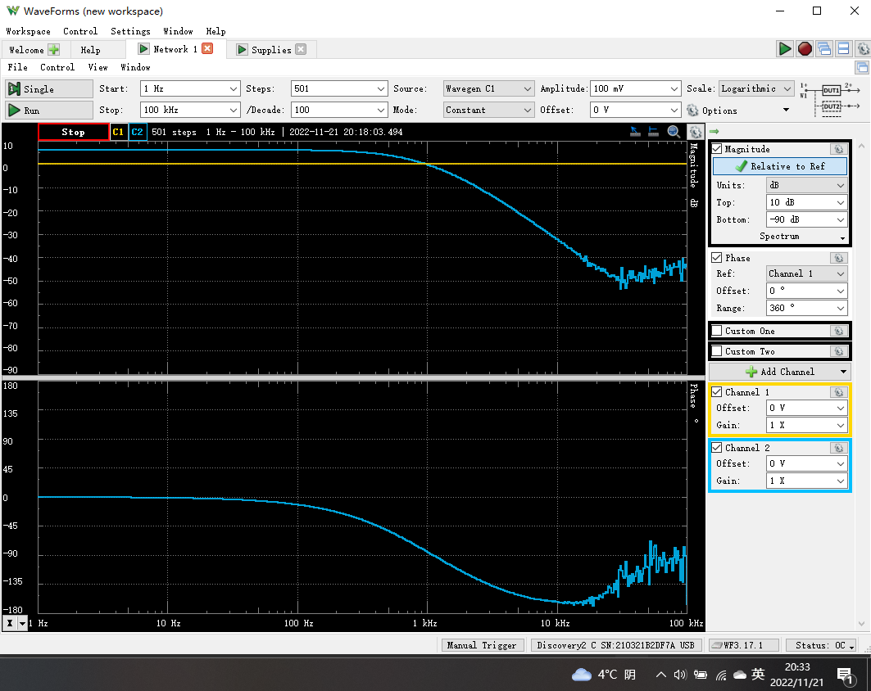
3.0902954325 | 6.0095443467 | -0.37395987828
3.1622776602 | 6.0078440159 | -0.37290106169
3.2359365693 | 6.0069263343 | -0.39215991568
3.3113112148 | 6.0073566643 | -0.39460857757
3.3884415614 | 6.0072457378 | -0.41275568617
3.4673685045 | 6.0066018873 | -0.4248558198
3.5481338923 | 6.006380013 | -0.4344074034
3.6307805477 | 6.0064859469 | -0.4395502899
3.715352291 | 6.0064639554 | -0.4495141822
3.8018939632 | 6.0068582454 | -0.46707293822
3.8904514499 | 6.0079793433 | -0.4642358948
3.9810717055 | 6.0077739063 | -0.47360749061
4.073802778 | 6.0060277357 | -0.49527806351
4.1686938347 | 6.0067309716 | -0.50626745305
4.265795188 | 6.0065282419 | -0.52081209407
4.3651583224 | 6.0060678823 | -0.51562643557
4.4668359215 | 6.0074201615 | -0.53614219109
4.5708818961 | 6.0063649401 | -0.54757797629
4.6773514129 | 6.0074158121 | -0.55928068592
4.7863009232 | 6.0041842219 | -0.57325818884
4.8977881937 | 6.0049592902 | -0.59395085714
5.0118723363 | 6.0061229345 | -0.60569887904
5.1286138399 | 6.0068456558 | -0.61241317183
5.2480746025 | 6.0060777688 | -0.63362526246
5.3703179637 | 6.0066519975 | -0.63905490691
5.4954087386 | 6.006758033 | -0.65512679639
5.6234132519 | 6.0077125395 | -0.67841454274
5.7543993734 | 6.0050583783 | -0.69044192184
5.8884365536 | 6.0064591562 | -0.71252804909
6.0255958607 | 6.0070436286 | -0.72135079491
6.1659500186 | 6.0068856174 | -0.74079345036
6.3095734448 | 6.0071011281 | -0.75459475866
6.4565422903 | 6.0049492278 | -0.78112779448
6.6069344801 | 6.0073769686 | -0.80012032864
6.7608297539 | 6.0074804218 | -0.80241936091
6.9183097092 | 6.0068206732 | -0.82365261204
7.0794578438 | 6.0050637718 | -0.85390693276
7.2443596007 | 6.0071007689 | -0.86265004913
7.413102413 | 6.0051900099 | -0.89189501368
7.5857757503 | 6.0058066531 | -0.91798265207
7.7624711663 | 6.0063394894 | -0.93112459433
7.9432823472 | 6.0042702492 | -0.95394221167
8.1283051616 | 6.0057020095 | -0.98322153405
8.317637711 | 6.0054300259 | -1.0047423769
8.511380382 | 6.0062627361 | -1.0334916069
8.7096358996 | 6.0078035068 | -1.0549047535
8.9125093813 | 6.00449422 | -1.0739568671
9.1201083936 | 6.0048920741 | -1.0907040864
9.332543008 | 6.0045370889 | -1.124847685
9.5499258602 | 6.0060322304 | -1.1535595319
9.7723722096 | 6.0048968664 | -1.1767862955
10 | 6.0062248951 | -1.1973278261
10.232929923 | 6.0051413262 | -1.2356618868
10.471285481 | 6.0037974615 | -1.2422395403
10.715193052 | 6.0049870134 | -1.2892814899
10.964781961 | 6.0072616787 | -1.314158624
11.220184543 | 6.0062894251 | -1.3392864363
11.481536215 | 6.0037261663 | -1.3803812212
11.748975549 | 6.005261358 | -1.4166650668
12.022644346 | 6.0042246747 | -1.4427592859
12.302687708 | 6.0038780149 | -1.4781056503
12.589254118 | 6.0041339686 | -1.5033949115
12.882495517 | 6.0045043527 | -1.5445844001
13.182567386 | 6.0047745504 | -1.5788194483
13.489628826 | 6.0033897021 | -1.6193335709
13.803842646 | 6.0049295807 | -1.6572585446
14.125375446 | 6.0035522831 | -1.6920805836
14.454397707 | 6.0025103852 | -1.725040129
14.791083882 | 6.0040382019 | -1.7704249423
15.135612484 | 6.0005815393 | -1.8127999712
15.488166189 | 6.0041018609 | -1.8564965949
15.848931925 | 6.0026806264 | -1.8980097216
16.218100974 | 6.0004061229 | -1.9445844156
16.595869074 | 6.0027896988 | -1.9960350177
16.982436525 | 6.0020733849 | -2.0384099807
17.378008287 | 6.0034481656 | -2.0747481485
17.7827941 | 6.0019538084 | -2.1315498888
18.197008586 | 6.0011270427 | -2.1758015238
18.620871367 | 6.0020970654 | -2.2411399203
19.05460718 | 5.999672873 | -2.2856841953
19.498445998 | 6.0015501917 | -2.3378316642
19.95262315 | 5.999745456 | -2.3836485627
20.417379447 | 6.0007581367 | -2.4480516886
20.892961309 | 6.0012787029 | -2.4941027201
21.379620895 | 6.0007831753 | -2.5550417683
21.877616239 | 5.9984230005 | -2.6072176362
22.387211386 | 5.9988691644 | -2.6705820705
22.908676528 | 5.9980258221 | -2.7479714456
23.442288153 | 5.9969817841 | -2.8045313454
23.98832919 | 5.997157157 | -2.8706818205
24.547089157 | 5.9963170136 | -2.9320804573
25.118864315 | 5.997149682 | -3.0079276814
25.703957828 | 5.9966064245 | -3.0822588097
26.302679919 | 5.9960136445 | -3.1420733419
26.915348039 | 5.9975775333 | -3.2217460188
27.542287033 | 5.9947832432 | -3.2933264946
28.183829313 | 5.9947881611 | -3.3658100081
28.840315031 | 5.9942349026 | -3.4414114466
29.512092267 | 5.9945775961 | -3.5341650617
30.199517204 | 5.993764337 | -3.6032894718
30.902954325 | 5.991352357 | -3.6889435024
31.622776602 | 5.992236153 | -3.7711136925
32.359365693 | 5.9908950652 | -3.8663707713
33.113112148 | 5.9902163125 | -3.9551325452
33.884415614 | 5.9906643757 | -4.0454106403
34.673685045 | 5.9896620498 | -4.1406270708
35.481338923 | 5.9880668557 | -4.2363264525
36.307805477 | 5.9881947314 | -4.329037065
37.15352291 | 5.9870575602 | -4.4192949843
38.018939632 | 5.9858529804 | -4.5321703964
38.904514499 | 5.9843829107 | -4.6487829378
39.810717055 | 5.9844722738 | -4.74755871
40.73802778 | 5.9825093891 | -4.8640808911
41.686938347 | 5.9820358239 | -4.9665339874
42.65795188 | 5.9805360505 | -5.0906866764
43.651583224 | 5.9807419353 | -5.2043129479
44.668359215 | 5.9775740555 | -5.3284651272
45.708818961 | 5.9772171725 | -5.4490826413
46.773514129 | 5.9762555792 | -5.5745339315
47.863009232 | 5.9751306329 | -5.7021272898
48.977881937 | 5.9736336872 | -5.8304293501
50.118723363 | 5.9716353593 | -5.966332803
51.286138399 | 5.9697958277 | -6.114290195
52.480746025 | 5.9679535696 | -6.2501727233
53.703179637 | 5.9661608548 | -6.3893903493
54.954087386 | 5.964079667 | -6.5190492246
56.234132519 | 5.9622187804 | -6.695588769
57.543993734 | 5.9616217318 | -6.8490548395
58.884365536 | 5.9597184565 | -6.9862851427
60.255958607 | 5.9575886086 | -7.1437703249
61.659500186 | 5.956899632 | -7.3161285921
63.095734448 | 5.9533598585 | -7.4983614367
64.565422903 | 5.9519228465 | -7.6642896348
66.069344801 | 5.9470301809 | -7.8488606652
67.608297539 | 5.9477379382 | -8.025447652
69.183097092 | 5.9442231908 | -8.2096428348
70.794578438 | 5.9415059356 | -8.3948447804
72.443596007 | 5.9363239518 | -8.5983385467
74.13102413 | 5.9334928684 | -8.7926185051
75.857757503 | 5.931812932 | -8.9933314296
77.624711663 | 5.9290238493 | -9.1969654586
79.432823472 | 5.9230272492 | -9.4129783558
81.283051616 | 5.9208281025 | -9.620875571
83.17637711 | 5.9172012083 | -9.8529205572
85.11380382 | 5.9134741095 | -10.075515211
87.096358996 | 5.9099089466 | -10.300598538
89.125093813 | 5.9049810648 | -10.547708292
91.201083936 | 5.9012620495 | -10.793330184
93.32543008 | 5.8960720783 | -11.028612036
95.499258602 | 5.8914569804 | -11.281536794
97.723722096 | 5.8855398757 | -11.546974576
100 | 5.8809024026 | -11.80576158
102.32929923 | 5.8735838641 | -12.082186738
104.71285481 | 5.8675472443 | -12.35483826
107.15193052 | 5.8640367596 | -12.634880976
109.64781961 | 5.8569960831 | -12.917965073
112.20184543 | 5.850587239 | -13.221223019
114.81536215 | 5.8444891712 | -13.526891206
117.48975549 | 5.8348739467 | -13.833719563
120.22644346 | 5.8285692434 | -14.149573102
123.02687708 | 5.8204075694 | -14.467951522
125.89254118 | 5.8117221478 | -14.805409467
128.82495517 | 5.8033097701 | -15.132604011
131.82567386 | 5.7957154815 | -15.474114472
134.89628826 | 5.7848855096 | -15.818995412
138.03842646 | 5.7742345945 | -16.187188463
141.25375446 | 5.7629753952 | -16.544379964
144.54397707 | 5.7541193894 | -16.906268232
147.91083882 | 5.7436562092 | -17.314454519
151.35612484 | 5.7328654184 | -17.703808816
154.88166189 | 5.7177247985 | -18.099778882
158.48931925 | 5.707985289 | -18.510472204
162.18100974 | 5.69395606 | -18.92255104
165.95869074 | 5.6792133778 | -19.34265996
169.82436525 | 5.6657069418 | -19.777404257
173.78008287 | 5.6517709906 | -20.21094077
177.827941 | 5.6349116177 | -20.673872398
181.97008586 | 5.6169850867 | -21.119026911
186.20871367 | 5.6011656992 | -21.6013976
190.5460718 | 5.5838137492 | -22.080726732
194.98445998 | 5.5659460035 | -22.572440249
199.5262315 | 5.5465509185 | -23.071559862
204.17379447 | 5.5260838201 | -23.580362388
208.92961309 | 5.5049710895 | -24.089751272
213.79620895 | 5.4842417695 | -24.63813849
218.77616239 | 5.4612459808 | -25.170072616
223.87211386 | 5.4371571925 | -25.723722351
...

Step 3.2
Frequency | db(v(vout)) | ph(v(vout))
Hz | dBV | deg
1.00E+00 | -5.64E+01 | -9.02E+00
1.02E+00 | -5.62E+01 | -9.02E+00
1.05E+00 | -5.60E+01 | -9.02E+00
Transfer Function of 2nd-Order Low-Pass Filter
 | Simulated |  | Measured
1.00E+00 | -5.64E+01 | 1 | -56.428441183
1.02E+00 | -5.62E+01 | 1.0232929923 | -54.402279748
1.05E+00 | -5.60E+01 | 1.0471285481 | -54.996482333
1.07E+00 | -5.58E+01 | 1.0715193052 | -55.898925636
1.10E+00 | -5.56E+01 | 1.0964781961 | -55.435834846
1.12E+00 | -5.54E+01 | 1.1220184543 | -53.375191389
1.15E+00 | -5.52E+01 | 1.1481536215 | -55.183828335
1.17E+00 | -5.50E+01 | 1.1748975549 | -53.693405787
1.20E+00 | -5.48E+01 | 1.2022644346 | -54.330693929
1.23E+00 | -5.47E+01 | 1.2302687708 | -53.291057526
1.26E+00 | -5.45E+01 | 1.2589254118 | -53.304933297
1.29E+00 | -5.43E+01 | 1.2882495517 | -52.984305513
1.31E+00 | -5.41E+01 | 1.3182567386 | -53.101331132
1.34E+00 | -5.39E+01 | 1.3489628826 | -53.30095901
1.38E+00 | -5.37E+01 | 1.3803842646 | -53.330658362
1.41E+00 | -5.35E+01 | 1.4125375446 | -52.39393427
1.44E+00 | -5.33E+01 | 1.4454397707 | -52.088047314
1.47E+00 | -5.31E+01 | 1.4791083882 | -52.628497363
1.51E+00 | -5.29E+01 | 1.5135612484 | -52.119558053
1.54E+00 | -5.27E+01 | 1.5488166189 | -51.278441362
1.58E+00 | -5.25E+01 | 1.5848931925 | -51.527592615
1.61E+00 | -5.23E+01 | 1.6218100974 | -51.201262643
1.65E+00 | -5.21E+01 | 1.6595869074 | -50.953101956
1.69E+00 | -5.19E+01 | 1.6982436525 | -50.024923718
1.73E+00 | -5.17E+01 | 1.7378008287 | -50.324249958
1.77E+00 | -5.15E+01 | 1.77827941 | -49.733834403
1.81E+00 | -5.13E+01 | 1.8197008586 | -50.163735032
1.85E+00 | -5.11E+01 | 1.8620871367 | -49.869964371
1.89E+00 | -5.09E+01 | 1.905460718 | -50.364978272
1.94E+00 | -5.07E+01 | 1.9498445998 | -49.453778513
1.98E+00 | -5.05E+01 | 1.995262315 | -49.38711067
2.03E+00 | -5.03E+01 | 2.0417379447 | -49.010111717
2.07E+00 | -5.01E+01 | 2.0892961309 | -48.856341282
2.12E+00 | -4.99E+01 | 2.1379620895 | -48.816295931
2.17E+00 | -4.97E+01 | 2.1877616239 | -48.630375732
2.22E+00 | -4.95E+01 | 2.2387211386 | -48.615570328
2.27E+00 | -4.93E+01 | 2.2908676528 | -48.42627303
2.32E+00 | -4.91E+01 | 2.3442288153 | -48.365160001
2.38E+00 | -4.89E+01 | 2.398832919 | -47.569868069
2.43E+00 | -4.87E+01 | 2.4547089157 | -47.437212864
2.49E+00 | -4.85E+01 | 2.5118864315 | -47.442780214
2.55E+00 | -4.83E+01 | 2.5703957828 | -46.836872233
2.61E+00 | -4.81E+01 | 2.6302679919 | -47.492837692
2.67E+00 | -4.79E+01 | 2.6915348039 | -46.907139134
2.73E+00 | -4.77E+01 | 2.7542287033 | -46.427939905
2.79E+00 | -4.75E+01 | 2.8183829313 | -46.182638754
2.85E+00 | -4.73E+01 | 2.8840315031 | -46.299030359
2.92E+00 | -4.71E+01 | 2.9512092267 | -46.020517077
2.99E+00 | -4.69E+01 | 3.0199517204 | -45.848165778
3.06E+00 | -4.67E+01 | 3.0902954325 | -45.611561387
...
1.07E+00 | -5.58E+01 | -9.02E+00
1.10E+00 | -5.56E+01 | -9.02E+00
1.12E+00 | -5.54E+01 | -9.02E+00
1.15E+00 | -5.52E+01 | -9.02E+00
1.17E+00 | -5.50E+01 | -9.02E+00
1.20E+00 | -5.48E+01 | -9.02E+00
1.23E+00 | -5.47E+01 | -9.02E+00
1.26E+00 | -5.45E+01 | -9.02E+00
1.29E+00 | -5.43E+01 | -9.02E+00
1.31E+00 | -5.41E+01 | -9.02E+00
1.34E+00 | -5.39E+01 | -9.02E+00
1.38E+00 | -5.37E+01 | -9.02E+00
1.41E+00 | -5.35E+01 | -9.02E+00
1.44E+00 | -5.33E+01 | -9.02E+00
1.47E+00 | -5.31E+01 | -9.03E+00
1.51E+00 | -5.29E+01 | -9.03E+00
1.54E+00 | -5.27E+01 | -9.03E+00
1.58E+00 | -5.25E+01 | -9.03E+00
1.61E+00 | -5.23E+01 | -9.03E+00
1.65E+00 | -5.21E+01 | -9.03E+00
1.69E+00 | -5.19E+01 | -9.03E+00
1.73E+00 | -5.17E+01 | -9.03E+00
1.77E+00 | -5.15E+01 | -9.03E+00
1.81E+00 | -5.13E+01 | -9.03E+00
1.85E+00 | -5.11E+01 | -9.03E+00
1.89E+00 | -5.09E+01 | -9.03E+00
1.94E+00 | -5.07E+01 | -9.03E+00
1.98E+00 | -5.05E+01 | -9.03E+00
2.03E+00 | -5.03E+01 | -9.04E+00
2.07E+00 | -5.01E+01 | -9.04E+00
2.12E+00 | -4.99E+01 | -9.04E+00
2.17E+00 | -4.97E+01 | -9.04E+00
2.22E+00 | -4.95E+01 | -9.04E+00
2.27E+00 | -4.93E+01 | -9.04E+00
2.32E+00 | -4.91E+01 | -9.04E+00
2.38E+00 | -4.89E+01 | -9.04E+00
2.43E+00 | -4.87E+01 | -9.04E+00
2.49E+00 | -4.85E+01 | -9.04E+00
2.55E+00 | -4.83E+01 | -9.04E+00
2.61E+00 | -4.81E+01 | -9.05E+00
2.67E+00 | -4.79E+01 | -9.05E+00
2.73E+00 | -4.77E+01 | -9.05E+00
2.79E+00 | -4.75E+01 | -9.05E+00
...

Step 3.6
...
Frequency | Manitude | Phase
1.7378008287 | -50.913696152 | -74.008261482
1.77827941 | -50.472058935 | -76.547285613
1.8197008586 | -51.081653769 | -71.981697281
1.8620871367 | -49.805998622 | -80.14945531
1.905460718 | -50.206893275 | -80.158640139
1.9498445998 | -50.548581784 | -76.291796355
1.995262315 | -49.162416482 | -78.045615015
2.0417379447 | -49.813440385 | -80.429967888
2.0892961309 | -49.399205584 | -78.670554106
2.1379620895 | -49.543462227 | -80.315146893
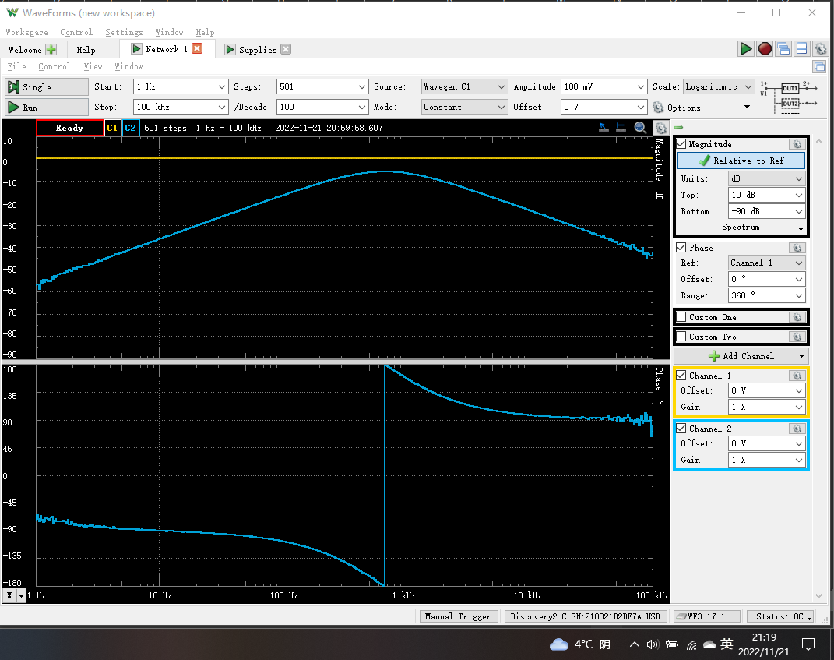
2.1877616239 | -48.733419212 | -79.257372696
2.2387211386 | -48.957327339 | -82.095178251
2.2908676528 | -48.688036756 | -81.062205181
2.3442288153 | -48.904064685 | -80.516027503
2.398832919 | -48.191926165 | -82.726863069
2.4547089157 | -48.214214549 | -82.982066511
2.5118864315 | -48.195383099 | -80.729165284
2.5703957828 | -48.155706377 | -82.950770023
2.6302679919 | -48.072918019 | -82.708538288
2.6915348039 | -47.433824068 | -82.573631086
2.7542287033 | -47.467537354 | -80.204910536
2.8183829313 | -47.006252579 | -81.851516861
2.8840315031 | -47.376163824 | -79.75069571
2.9512092267 | -47.29705377 | -83.295753897
3.0199517204 | -46.781763644 | -83.578512049
3.0902954325 | -46.513418364 | -81.948368305
3.1622776602 | -46.413633053 | -82.320649436
3.2359365693 | -45.862074325 | -83.598576329
3.3113112148 | -46.010063377 | -82.016245098
3.3884415614 | -46.265631323 | -83.183494553
3.4673685045 | -45.302201099 | -83.056181631
3.5481338923 | -45.12427889 | -82.13732867
3.6307805477 | -45.305502163 | -84.098652869
3.715352291 | -44.589617371 | -83.634887805
3.8018939632 | -44.599505651 | -84.38745517
3.8904514499 | -44.343294112 | -84.304783504
3.9810717055 | -44.001993341 | -85.933924913
4.073802778 | -43.889484715 | -86.000986253
4.1686938347 | -43.820831342 | -85.505032211
4.265795188 | -43.667081 | -83.453186343
4.3651583224 | -43.13896887 | -84.689174528
4.4668359215 | -43.084497732 | -85.784183676
4.5708818961 | -43.071257618 | -85.759506193
4.6773514129 | -42.978646006 | -85.622379085
4.7863009232 | -42.390013819 | -87.298255642
4.8977881937 | -42.526201977 | -86.920548402
5.0118723363 | -42.426545931 | -87.01586112
5.1286138399 | -42.064844875 | -85.559619491
5.2480746025 | -42.13521143 | -86.583828733
5.3703179637 | -41.407856615 | -86.458445095
5.4954087386 | -41.42537407 | -87.316786694
5.6234132519 | -41.097088776 | -86.596574622
5.7543993734 | -40.875231344 | -86.65706928
5.8884365536 | -40.962059039 | -86.852997073
6.0255958607 | -40.645773896 | -86.304250026
6.1659500186 | -40.389750833 | -87.252912372
6.3095734448 | -40.099141344 | -86.938388023
6.4565422903 | -40.04052423 | -86.463074049
6.6069344801 | -39.707970663 | -87.88847237
6.7608297539 | -39.609832379 | -87.786507196
6.9183097092 | -39.48048385 | -87.981108775
...

